Instructions
 | Stark County Mental Health & Addiction Recovery (StarkMHAR)
 | SFY27 Request for Proposals (RFP)
 | Narrative and Budget Instructions - for all programs

 | Upon completion, please include this form with your agency’s RFP packet that gets sent to proposals@starkmhar.org by noon on Monday, December 29, 2025.

 | One goal in StarkMHAR’s SFY24-27 Strategic Plan involves making the Request for Proposals (RFP) forms and process more efficient. In the early phases of updating its Strategic Plan, StarkMHAR undertook a SWOT analysis, leading to the decision that StarkMHAR should revisit the philosophical foundations of the RFP decision-making process and how programs and funding are prioritized. Feedback from internal and external partners supported this decision, citing the need to simplify the process and ensure we are focused on intended priorities. StarkMHAR examined every form and determined what information could be removed and what could be improved. As a result, the Narrative and Budget template for SFY27 RFP release looks very different from past years.

 | It is important that fiscal and program staff work together and spend time on developing RFPs to ensure clear and complete responses, along with alignment between the narrative and budget sections. This will in turn yield higher quality RFPs, which tend to receive higher scores in the StarkMHAR scoring process.

 | Proposals that will do well on scoring are those that address or include the following: • Serve high priority populations, satisfy a mandate, serve those urgent needs and/or satisfy an unmet need, or provides non-essential yet necessary support/services for priority areas • Are able to demonstrate positive outcomes • Leverages resources to secure additional funding from other sources • Collaborates with other programs or services in order to increase the final level of services that are available to high priority areas • Demonstrate positive fiscal management both as a program and as an agency, including accurate budget projections, fiscal stewardship, and transparency • Has a positive track record of the effective and efficient provision of service

 | Please see the SAMPLE RFP Form tab for example responses to questions.
 | Narrative Instructions
 | Question | Explanation
1 | Contractor Name | Enter the name of your organization.
 | Budget Period | Enter the budget period for which you are proposing.
 | Date Submitted | Type in the date this proposal is being submitted. Because sometimes StarkMHAR requests revisions, this helps StarkMHAR know which version is most current.

2 | Program Type | Please select the program type from the drop down that best describes the program. More guidance on these categories can be found in the RFP Guidance Document.
 | Program Name | 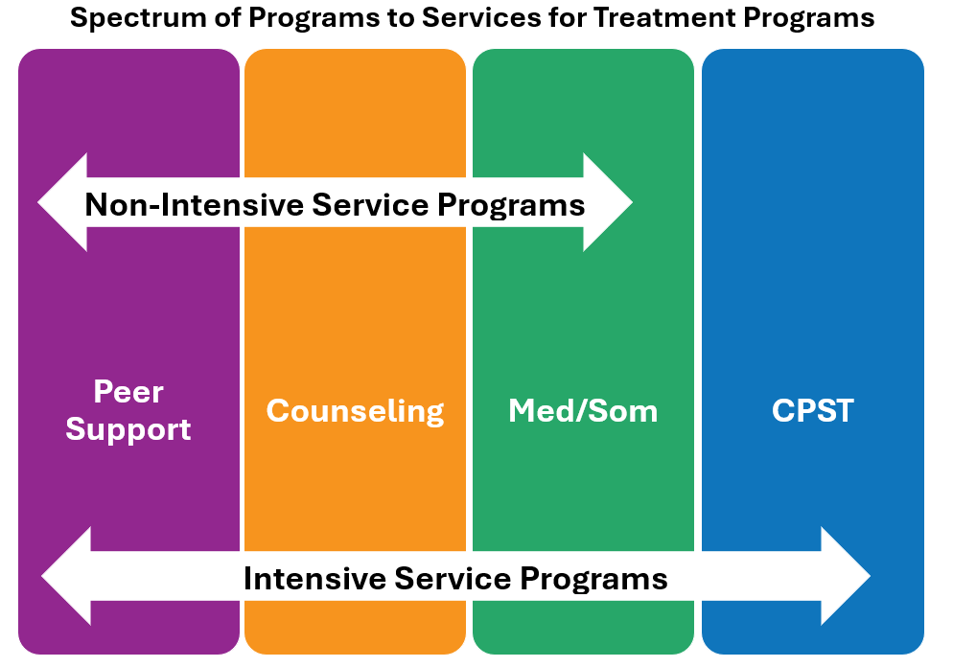 If this proposal is regarding a currently funded StarkMHAR program, select the program name from the drop down list. If this is a newly proposed program, please type the name into the box. Note for outpatient treatment services: StarkMHAR outpatient treatment programming is categorized by either ‘intensive’ or ‘non-intensive’. The difference between the two is the addition of CPST (Community Psychiatric Supportive Treatment) services. In order for a program to be considered ‘intensive’, CPST services are to be made available to those served. This has to do with the level of functioning and need of an individual that meets the criteria for CPST services. Intensive Outpatient with AoD diagnosis is also considered intensive. This philosophy of outpatient treatment services is applicable to both adults and youth. Below is an image that shows the spectrum of programs to services for treatment programs:
 | Please describe the program using only 500 characters, including spaces and punctuation. | Type in a description of the program in 500 words or less. This information is helpful for StarkMHAR to understand the key points of the program. This description is also presented to StarkMHAR board committees.

3 | What age range(s) does the program serve? | Select the option(s) that best describes the age(s) of the individuals served in the program.

4 | What is the average wait time to begin receiving services in the program? | Select the option from the drop down that best describes the average wait time to begin receiving services in the proposed program. For treatment programs, select the wait time to the Diagnostic Assessment.
 | What is the average wait time between initial assessment and first appointment in the program? | Select the option from the drop down that best describes the average wait time to begin receiving services in the proposed program. This question only applies to treatment programs, so select the 'Not applicable' option if submitting an RFP for a non-treatment program.

5 | How many people do you expect your program to serve total in the SFY, regardless of funding source? | Type in the total number of people projected to be served, regardless of the funding source - this also includes StarkMHAR funding.
 | How many people served with StarkMHAR funding do you estimate will be: | Type in the numbers of each population to be served by the program. Numbers entered should be only for StarkMHAR funding. The total percent for SUD/Co-Occurring, Other, and StarkMHAR funded, along with total to be served, will auto-calculate.
 | What are the most commonly used substances for the population served in this program? | Type in the response as applicable.

6 | Essential Elements
 | What specific services will be provided? | Type in the response. Services listed should align with what is selected in the Budget Detail.
 | What types of staff are involved in service delivery? | Type in the response. Staff should align with Personnel Cost Schedule. This will assist StarkMHAR in reviewing the staffing of the program and can be a resource in the development of the provider rate sheet.

7 | Comparative Advantages
 | What sets the program apart of other similar programs in the community that are trying to accomplish similar things? | Type in the response.
 | What is innovative over what others typically do or over what you have done in the past? | Type in the response.

8 | Delivery Strategies
 | How are customers engaged in the program? What is done if someone becomes disengaged from the program? | Type in the response.
 | How do customers flow through the program? | Type in the response.
 | What aspects or special strategies of the program motivate or encourage the customer to do the work necessary and move toward the performance target/outcomes and successful program completion? | Type in the response.

9 | For Returning Providers ONLY
 | If this program is funded in the current fiscal year, please explain any programmatic, personnel, and/or service delivery changes for the new SFY. | This question only applies to providers funded by StarkMHAR in the current SFY. If personnel costs are the only change in the program from year-to-year, this is the section to inform StarkMHAR of any changes.

10 | Group Curriculum Evaluation
 | If StarkMHAR funds are being requested to cover classes and/or groups to individuals served in this program, which type(s) of groups will be offered? | If the program will utilize groups using StarkMHAR funding, select the type. If the cursor rolls over each option, a description of each option's purpose will be provided for reference. More information can also be found in the RFP Guidance Document. If there are groups provided in the program that are being requested to be funded by StarkMHAR, please complete a Curriculum Eval form for each one and include it with your RFP submission.

11 | Outcomes Statements
 | Please check the box to signify agreement with the outcomes for this program as outlined in the RFP Guidance Document OR propose percentages for OBHIS outcomes. | For programs not required to submit OBHIS outcomes, please refer to the RFP Guidance Document for outcome statements and percentages per specified program. Check the box in the section if your organization agrees to adopt the outcome statements and percentages outlined in the RFP Guidance Document. Applicable programs include consultation and prevention programs, recovery support programs, as well as Adult Mobile Response, BH Coordinator, Community Linkage, Crisis Services, PSH with treatment services, and SUD Peer Support. For treatment programs that are required to submit OBHIS outcomes, please propose the percentage achieving each outcome statement relevant to the program and population served. Information from this section will be used to develop your organization's Outcomes Report template (if approved for funding).

12 | Evidence-Based Practices and Models
 | Referring to the list of evidence-based practices and models included with the RFP packet, please enter the names of the practices or models used in the program. | Type in the response as applicable.

 | Budget Instructions
 | This form will be utilized to capture the budget information for programs when submitting an RFP.
 | StarkMHAR reserves the right to ask for additional information.

 | Section | Guidance
 | Operating Costs | • Fill in the budgeted expenses for the program by the categories listed. • Amounts listed in both the Direct and Indirect sections for Salaries and Fringes must tie out to the Personnel Cost Schedule for the program. • Please describe Contractual and Other expenses in the Notes field. • For indirect costs, providers should only complete what is relevant for their programming. • The total indirect cost may not exceed 45% of the total program cost.
 | Operating Revenues | • Fill in all revenue sources that will cover the program, indicating each amount. • It is expected that the budget will not show profit as a positive net income amount. If your program does have more income than expenses, please include the positive net income as Profit in the indirect costs expense category and include an explanation for the amount.
 | Budget Detail | • Please select all services expected to be billed to StarkMHAR for this program, whether they are codes that are Medicaid-eligible or created by StarkMHAR. Returning providers can reference their current rate sheet (if they have one) to complete this section. Final StarkMHAR approval of codes will be reflected in provider rate sheets. • Should there be a portion of funding needed from StarkMHAR to support the program that will not be able to be billed through a unit of service, please provide that amount and an explanation as to the reason for such need. Additionally, providers that bill units for administration, availability, and day rate codes can select them using the drop down, type them in, and include the requested dollar amount. This dollar amount should be included in the StarkMHAR funding operating revenue section. Final StarkMHAR approval of codes and rates will be reflected in provider rate sheets.
...

